Introduction
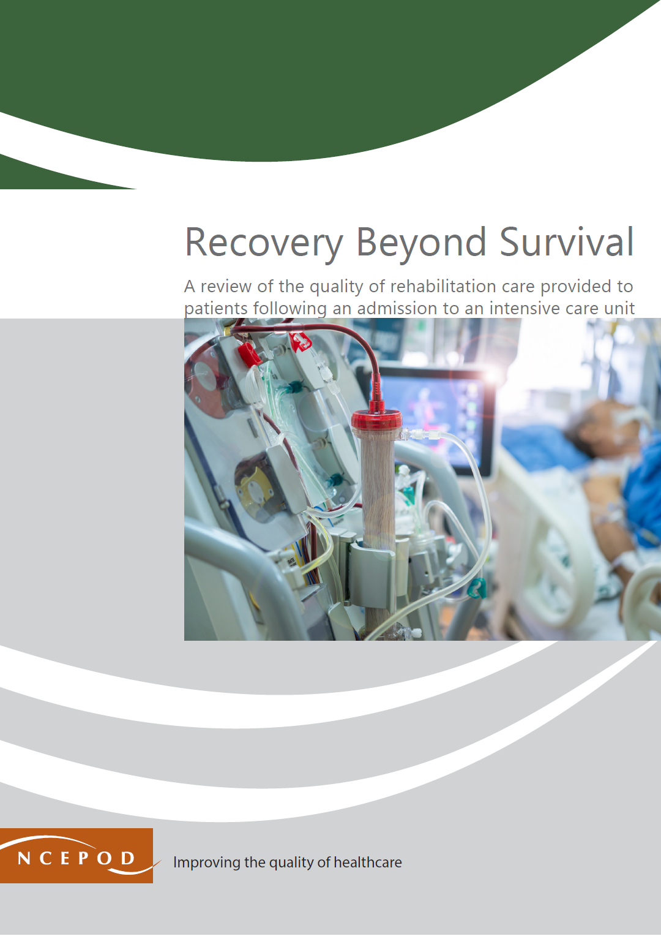

Rehabilitation Following Critical Illness
Audit Toolkit

This tool has been designed to review the quality of rehabilitation care provided to patients following an admission to an intensive care unit. Inclusion criteria: In the NCEPOD study, all patients aged 18 and over who were admitted as an emergency to an ICU for four or more days between 1st October 2022 and 31st December 2022 and survived to hospital discharge were included in the study. Exclusion criteria: Neurology/trauma patients who received rehabilitation as part of a defined care pathway.

Thank you for downloading the toolkit for 'Recovery Beyond Survival'. We hope you find this useful. If you have any feedback, please email us at info@ncepod.org.uk Please could you advise your local audit department if you plan to undertake this audit. It is important that they are made aware of it for the benefit of demonstrating Trust/Health Board activity and also so that they are in a position to support you and endorse the activity for your benefit.
Please complete as many questions which are applicable to the care of the patient.
For information on the recommendation to which each question assesses, please click on the button
This toolkit can be used in conjunction with the Recommendation Checklist. Further implementation tools can be accessed via the link below or by clicking on the adjacent report cover image.
https://ncepod.org.uk/2025icur.html

Summary
Extent to which each recommendation has been met (%)
 |  |  |  |  |  | Recommendation - Sub criteria question number (reference) |  |  |  |  |  | Recommendation - Sub criteria questions (score)
 |  |  |  |  |  | 1 | 2 | 3 | 4 | 5 | 6 | 1 | 2 | 3 | 4 | 5 | 6
 |  |  |  |  |  | 10a | 13a | 14a | 14gi | 17 | 20 | No data | No data | No data | No data | No data | No data
 |  |  |  |  |  | 10b | 13b | 14c | 14gii | 18a | 21a | No data | No data | No data | No data | No data | No data
 |  |  |  |  |  | 10c | 13c | 14di | 14hi | 18bi | 21b | No data | No data | No data | No data | No data | No data
 |  |  |  |  |  | 11a | 13d | 14dii | 14hii | 18bii | 21c | No data | No data | No data | No data | No data | No data
 |  |  |  |  |  | 11b | 13e | 14diii | 14hiii | 18biii | 21d | No data | No data | No data | No data | No data | No data
 |  |  |  |  |  | 12 | 13f | 14div | 14hiv | 19 | 22a | No data | No data | No data | No data | No data | No data
 |  |  |  |  |  |  | 13g | 14dv | 14hv |  | 22b |  | No data | No data | No data |  | No data
 |  |  |  |  |  |  | 13h | 14dvi | 14hvi |  | 22c |  | No data | No data | No data |  | No data
 |  |  |  |  |  |  |  | 14dvii | 14hvii |  | 22d |  |  | No data | No data |  | No data
 |  |  |  |  |  |  |  | 14eai | 14hviii |  | 22e |  |  | No data | No data |  | No data
 |  |  |  |  |  |  |  | 14eaii | 15 |  | 23 |  |  | No data | No data |  | No data
 |  |  |  |  |  |  |  | 14eaiii | 16a |  | 24a |  |  | No data | No data |  | No data
 |  |  |  |  |  |  |  | 14eaiv | 16b |  | 24b |  |  | No data | No data |  | No data
 |  |  |  |  |  |  |  | 14eav |  |  | 24c |  |  | No data |  |  | No data
 |  |  |  |  |  |  |  | 14eavi |  |  | 24d |  |  | No data |  |  | No data
The chart will only populate once all questions for a particular Recommendation have been answered in the Audit Tool worksheet |  |  |  |  |  |  |  | 14eb |  |  |  |  |  | No data
 |  |  |  |  |  |  |  | 14fi |  |  |  |  |  | No data
 |  |  |  |  |  |  |  | 14fii |  |  |  |  |  | No data
 |  |  |  |  |  |  |  | 14fiii |  |  |  |  |  | No data

 | Average % of recommendation |  |  |  |  |  | RAG system (NCEPOD recommends these are set at the following limits, however these can be adapted by your Trust/Health Board where appropriate by amending the thresholds as required) |  |  |  | %
 | 1 | 2 | 3 | 4 | 5 | 6
 | No data | No data | No data | No data | No data | No data

 |  |  |  |  |  |  | Green |  |  |  | 90-100
 |  |  |  |  |  |  | Amber |  |  |  | 50-89
 |  |  |  |  |  |  | Red |  |  |  | 0-49

